Formula
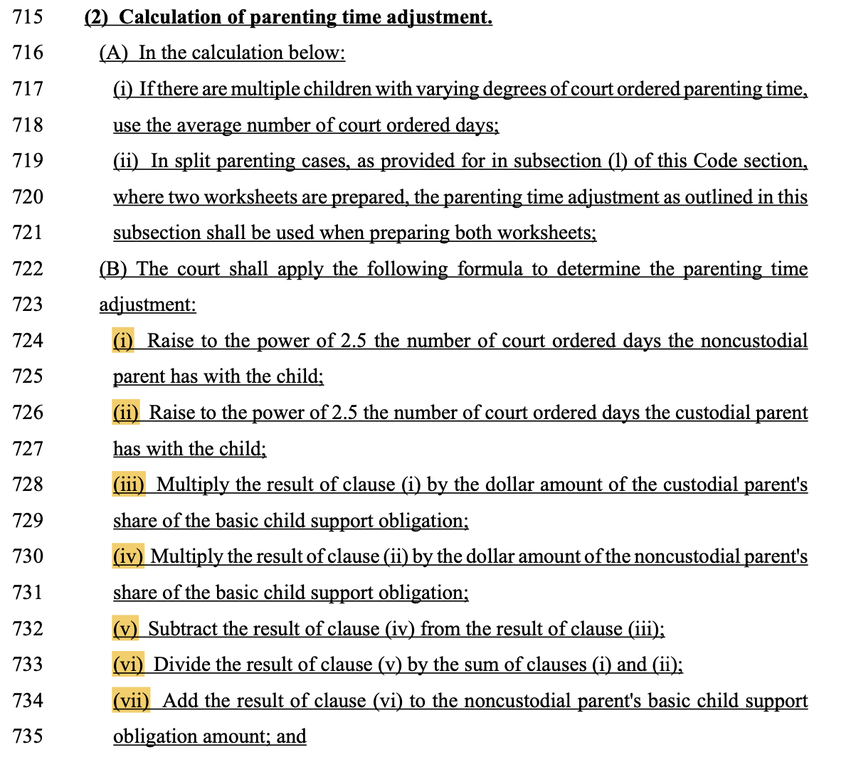
Formula |  |  | Senate Bill 454
(i) | NCP Days ^2.5 | 100000
(ii) | CP Days ^2.5 | 1143180.1764
(iii) | (i) * CP BCSO | 70,000,000.00
(iv) | (ii) * NCP BCSO | 914,544,141.09
(v) | (iii) - (iv) | (844,544,141.09)
(vi) | (v) / sum(i+ii) | $(679.34)
(vii) | (vi) + NCP BCSO | $120.66

FORMULA BASED ON SB 454 (for informational purposes only):

(Nd)2.5 (Cs) – (Cd)2.5 (Ns)
____________________ + Ns = PT adjustment for NCP
(Nd)2.5 + (Cd)2.5

Nd = NCP days
Cd = CP days
Ns = NCP’s share of the basic child support obligation
Cs = CP’s share of the basic child support obligation

